Data
Percent Changes in U.S. Exports and Imports, 1960-2018 (n = 58 years)
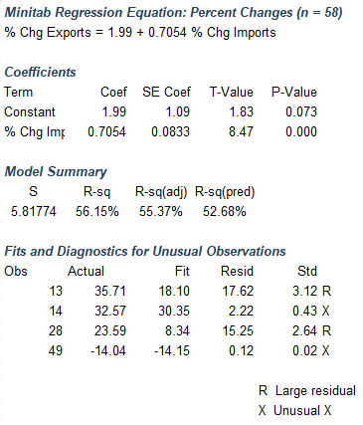
U.S. Exports and Imports, 1960-2018 (billions of dollars)
 |  |  |  | First Differences:
Year | Imports | Exports | Year | Pct_Chg_Imports | Pct_ Chg_Exports
1960 | 22.4 | 25.9 | 1961 | -0.89 | 1.93
1961 | 22.2 | 26.4 | 1962 | 9.91 | 4.92
1962 | 24.4 | 27.7 | 1963 | 4.10 | 6.86
1963 | 25.4 | 29.6 | 1964 | 7.48 | 12.50
1964 | 27.3 | 33.3 | 1965 | 12.09 | 6.01
1965 | 30.6 | 35.3 | 1966 | 17.65 | 10.20
1966 | 36.0 | 38.9 | 1967 | 7.50 | 6.17
1967 | 38.7 | 41.3 | 1968 | 17.05 | 10.17
1968 | 45.3 | 45.5 | 1969 | 8.39 | 8.13
1969 | 49.1 | 49.2 | 1970 | 10.79 | 15.04
1970 | 54.4 | 56.6 | 1971 | 12.13 | 5.48
1971 | 61.0 | 59.7 | 1972 | 19.18 | 12.56
1972 | 72.7 | 67.2 | 1973 | 22.83 | 35.71
1973 | 89.3 | 91.2 | 1974 | 40.20 | 32.57
U.S. Fpreign Trade, 2000-2018
1974 | 125.2 | 120.9 | 1975 | -3.99 | 9.68
1975 | 120.2 | 132.6 | 1976 | 23.79 | 7.62
1976 | 148.8 | 142.7 | 1977 | 20.63 | 6.73
1977 | 179.5 | 152.3 | 1978 | 15.99 | 17.14
1978 | 208.2 | 178.4 | 1979 | 19.45 | 25.62
1979 | 248.7 | 224.1 | 1980 | 17.09 | 21.29
1980 | 291.2 | 271.8 | 1981 | 6.66 | 8.31
Copyright Notice: Portions of MINITAB Statistical Software input and output contained in this document are printed with permission of Minitab, Inc. MINITABTM is a trademark of Minitab Inc. in the United States and other countries and is used herein with the owner's permission.
1981 | 310.6 | 294.4 | 1982 | -3.61 | -6.52
1982 | 299.4 | 275.2 | 1983 | 8.18 | -3.31
1983 | 323.9 | 266.1 | 1984 | 23.56 | 9.39
1984 | 400.2 | 291.1 | 1985 | 2.70 | -0.69
1985 | 411.0 | 289.1 | 1986 | 9.15 | 7.23
1986 | 448.6 | 310.0 | 1987 | 11.59 | 12.55
1987 | 500.6 | 348.9 | 1988 | 9.01 | 23.59
1988 | 545.7 | 431.2 | 1989 | 6.30 | 12.94
Source: https://www.bea.gov/data/intl-trade-investment/international-trade-goods-and-services accessed Dec 31, 2019.
1989 | 580.1 | 487.0 | 1990 | 6.21 | 9.90
1990 | 616.1 | 535.2 | 1991 | -1.07 | 8.05
1991 | 609.5 | 578.3 | 1992 | 7.65 | 6.67
1992 | 656.1 | 616.9 | 1993 | 8.70 | 4.21
1993 | 713.2 | 642.9 | 1994 | 12.41 | 9.39
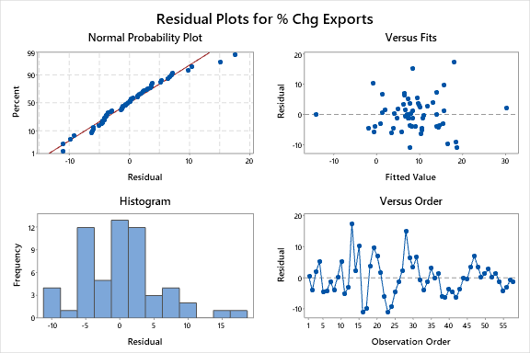
1994 | 801.7 | 703.3 | 1995 | 11.11 | 12.95
1995 | 890.8 | 794.4 | 1996 | 7.29 | 7.20
1996 | 955.7 | 851.6 | 1997 | 9.10 | 9.73
1997 | 1042.7 | 934.5 | 1998 | 5.43 | -0.14
1998 | 1099.3 | 933.2 | 1999 | 11.75 | 3.93
1999 | 1228.5 | 969.9 | 2000 | 17.85 | 10.87
2000 | 1447.8 | 1075.3 | 2001 | -5.57 | -6.47
2001 | 1367.2 | 1005.7 | 2002 | 2.23 | -2.68
2002 | 1397.7 | 978.7 | 2003 | 8.34 | 4.26
2003 | 1514.3 | 1020.4 | 2004 | 16.98 | 13.83
2004 | 1771.4 | 1161.5 | 2005 | 12.92 | 10.72
2005 | 2000.3 | 1286.0 | 2006 | 10.95 | 13.34
2006 | 2219.4 | 1457.6 | 2007 | 6.29 | 13.44
2007 | 2358.9 | 1653.5 | 2008 | 8.11 | 11.38
2008 | 2550.3 | 1841.6 | 2009 | -22.88 | -14.04
2009 | 1966.8 | 1583.1 | 2010 | 19.40 | 17.05
2010 | 2348.3 | 1853.0 | 2011 | 13.94 | 14.73
2011 | 2675.6 | 2125.9 | 2012 | 3.00 | 4.35
2012 | 2755.8 | 2218.4 | 2013 | -0.02 | 3.42
2013 | 2755.3 | 2294.2 | 2014 | 4.02 | 3.60
2014 | 2866.2 | 2376.7 | 2015 | -3.52 | -4.63
2015 | 2765.2 | 2266.7 | 2016 | -1.68 | -2.25
2016 | 2718.8 | 2215.8 | 2017 | 6.76 | 6.17
2017 | 2902.7 | 2352.5 | 2018 | 7.80 | 6.33
2018 | 3129.0 | 2501.3

